Sample Composition
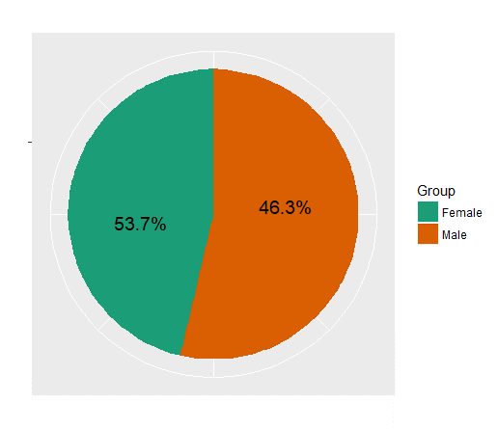
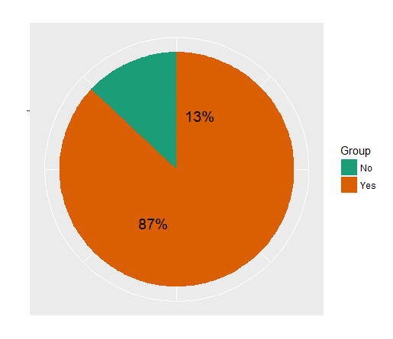
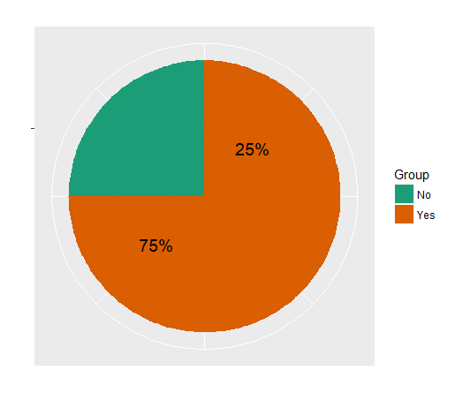
Gender wise Split
Have you ever done an online purchase?
Have you done an online purchase within last 6 months?

GenderWisePurchasingProportions
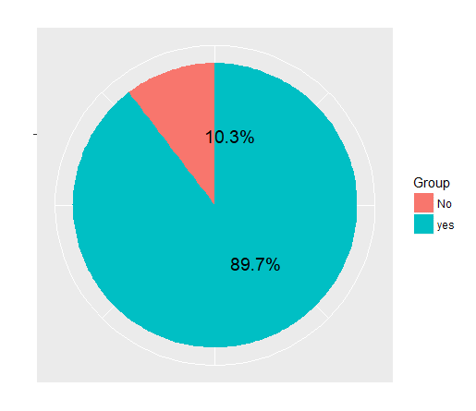
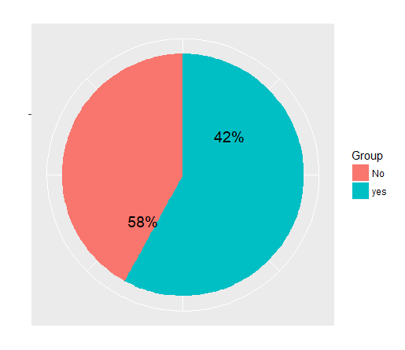
Have you ever done an online purchase?
(Male)
Have you ever done an online purchase?
(Female)
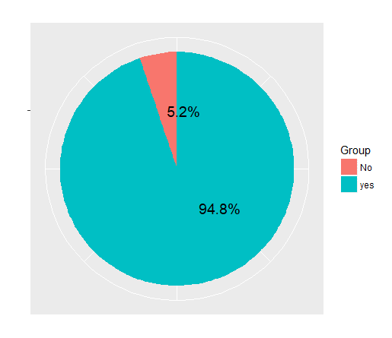
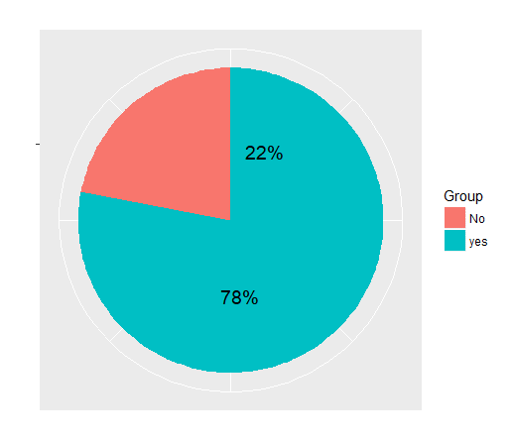

Have you done an online purchase within last 6 months? (Male)
Have you done an online purchase within last 6 months? (Female)

No of Purchases
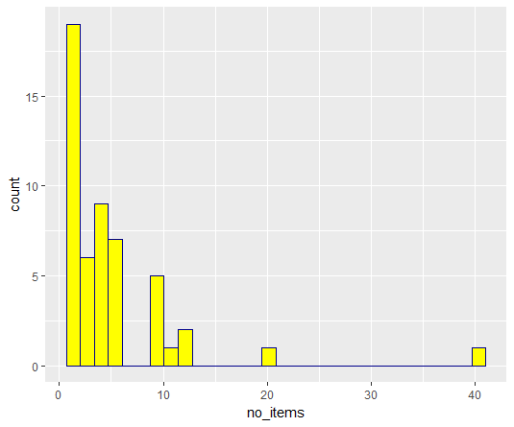
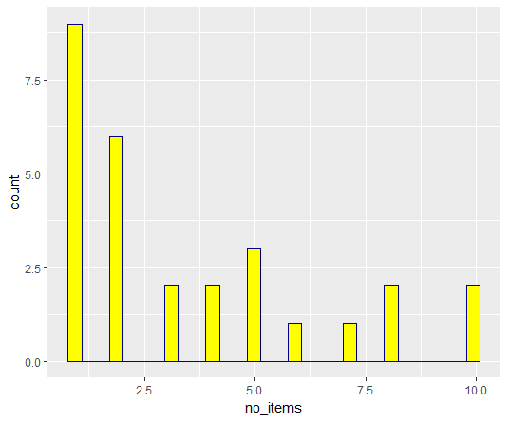
No. of Items Purchased (Both Male and Female)
No. of Items Purchased (Male Vs Female)

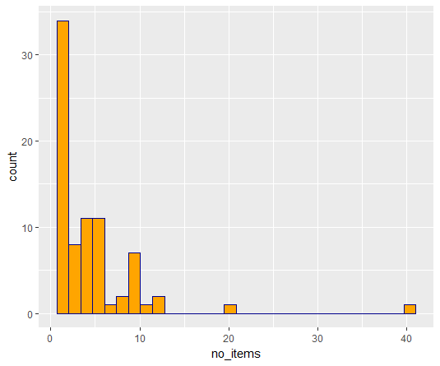
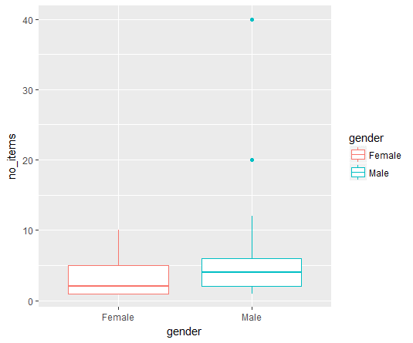

No. of Items Purchased (Male)
No. of Items Purchased (Female)

Vendor Types
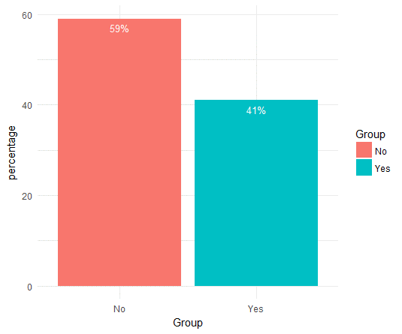
International E -commerce Platform
Vendor Types
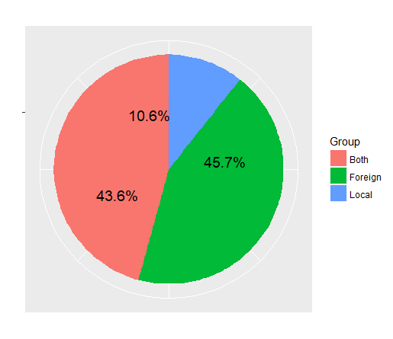
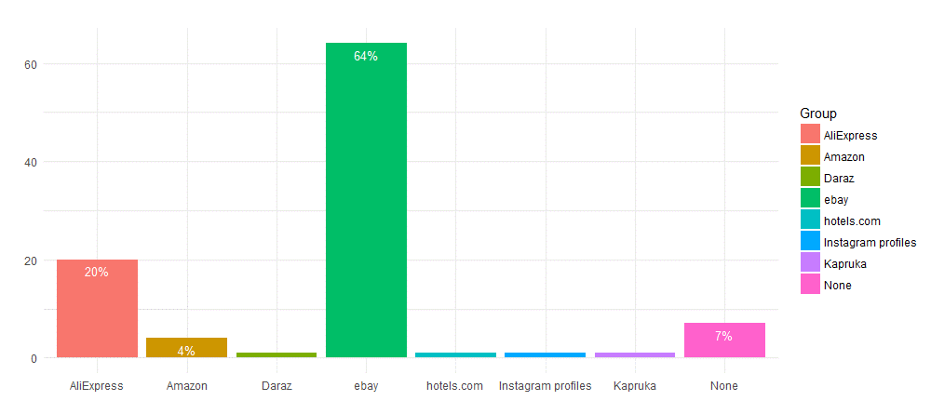

Have you directly purchased from vendor's site?

Devices
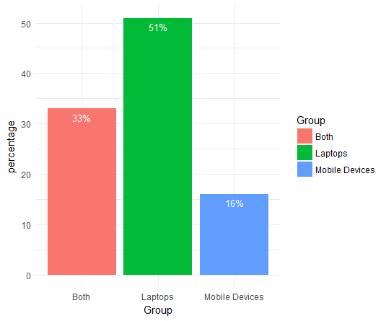
Devices used for purchasing

Source of Marketing
How do you get to know about the vendors/products?

Satisfaction
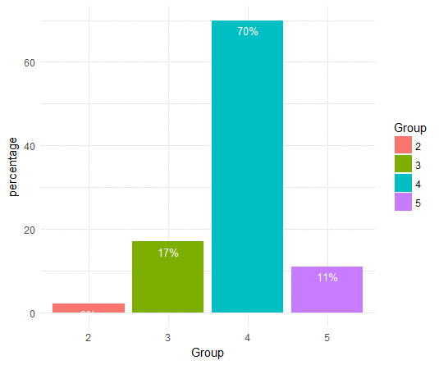
Level of Satisfaction

